D-Correlations & Figures
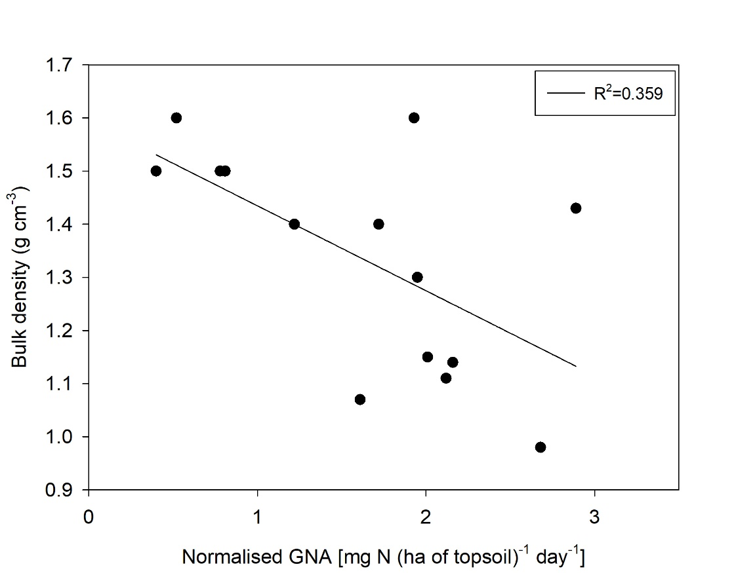
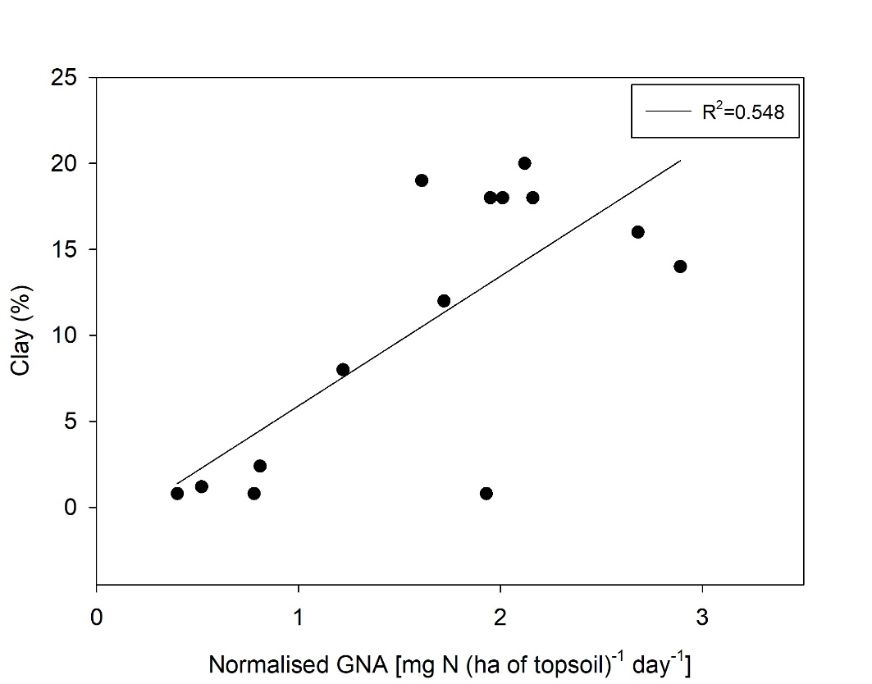
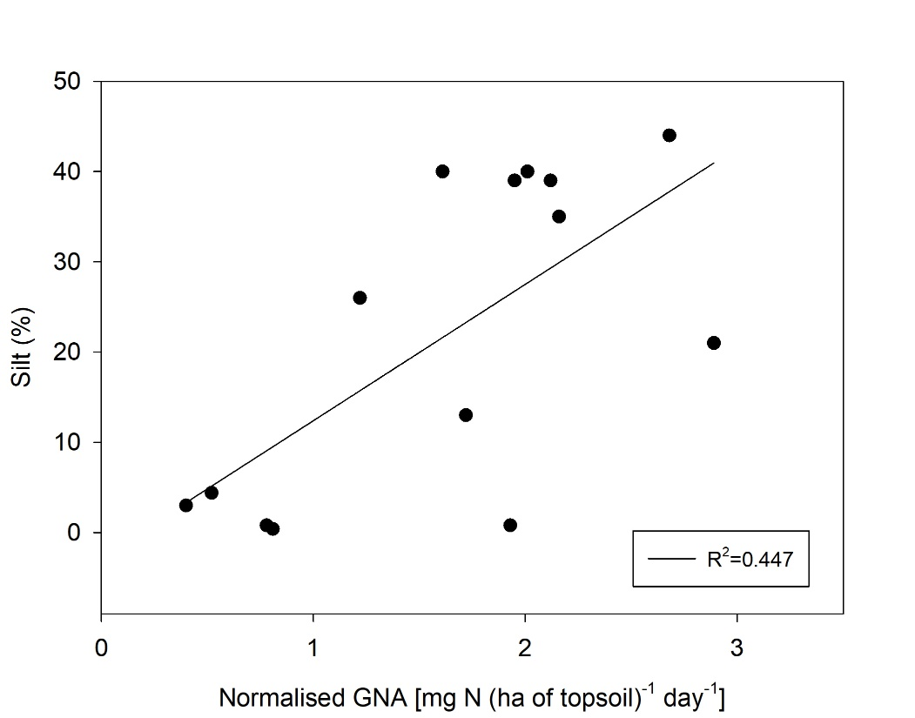
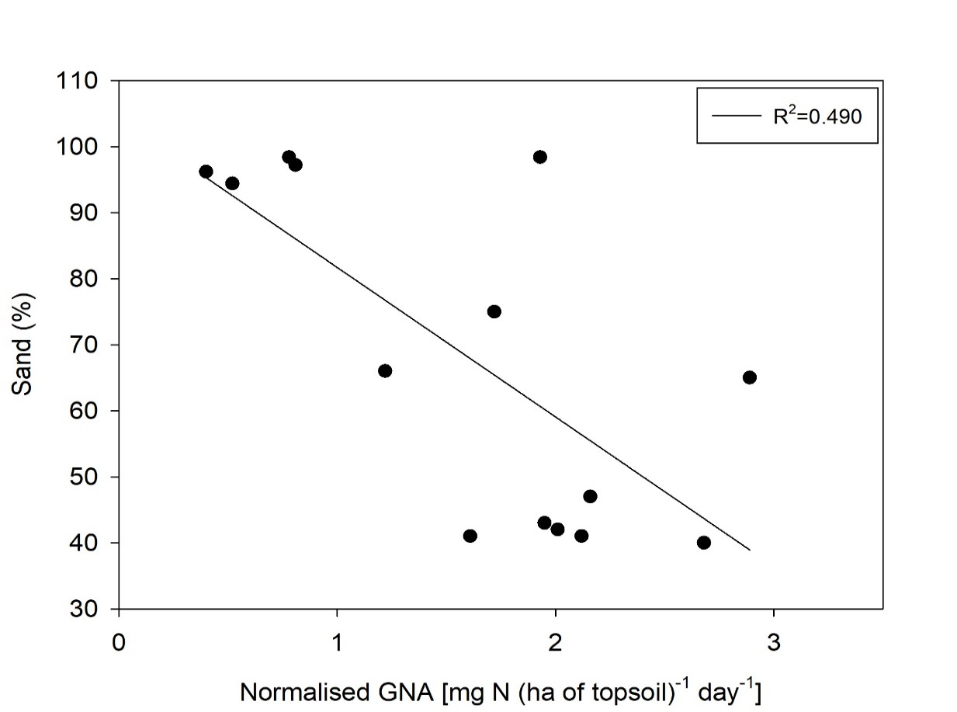
Tsitsikamma region
0-15 cm |  | Soil pH (KCl) | Organic C (%) | Total N (%) | Bulk density (g cm-3) | Clay (%) | Silt (%) | Sand (%) | Relative yield response
 | BNM (mg N ha-1 day-1) | -0.008 | 0.27 | 0.396 | -0.232 | -0.191 | 0.126 | -0.065 | -0.243
 |  | -0.984 | -0.518 | -0.331 | -0.581 | -0.651 | -0.767 | -0.879 | -0.562
 | Normalised GNA (mg N ha-1 day-1) | 0.259 | 0.106 | 0.228 | 0.054 | -0.253 | -0.015 | 0.064 | -0.489
 |  | -0.535 | -0.803 | -0.587 | -0.9 | -0.546 | -0.971 | -0.88 | -0.218
 | MNM (kg N ha-1 yr.-1) | 0.473 | -0.277 | -0.197 | 0.434 | -0.387 | -0.353 | 0.369 | -0.429
 |  | -0.236 | -0.506 | -0.639 | -0.282 | -0.344 | -0.392 | -0.369 | -0.289
Boland region
0-15 cm |  | Soil pH (KCl) | Organic C (%) | Total N (%) | Bulk density (g cm-3) | Clay (%) | Silt (%) | Sand (%) | Relative yield response (%)
 | BNM (mg N ha-1 day-1) | -0.526 | 0.678 | 0.826 | 0.12 | 0.25 | 0.27 | -0.268 | -0.661
 |  | -0.284 | -0.139 | -0.043 | -0.822 | -0.632 | -0.604 | -0.608 | -0.153
 | Normalised GNA (mg N ha-1 day-1) | -0.563 | 0.806 | 0.903 | 0.136 | 0.202 | 0.154 | -0.166 | -0.795
 |  | -0.244 | -0.053 | -0.014 | -0.797 | -0.701 | -0.771 | -0.753 | -0.059
 | MNM (kg N ha-1 yr.-1) | -0.556 | 0.69 | 0.828 | 0.172 | 0.196 | 0.214 | -0.212 | -0.661
 |  | -0.252 | -0.129 | -0.042 | -0.745 | -0.71 | -0.684 | -0.687 | -0.153
Combined: Tsitsikamma & Boland regions
0-15 cm |  | Soil pH (KCl) | Organic C (%) | Total N (%) | Bulk density (g cm-3) | Clay (%) | Silt (%) | Sand (%) | Relative yield response (%)
 | BNM (mg N kg-1 soil day-1) | -0.328 | 0.25 | 0.309 | -0.247 | 0.239(0.411) | 0.308 | -0.29 | -0.518
 |  | -0.252 | -0.389 | -0.283 | -0.395 |  | -0.284 | -0.314 | -0.058
 | Normalised GNA (mg N ha-1 day-1) | -0.305 | -0.159 | -0.162 | -0.599 | 0.74 | 0.669 | -0.7 | -0.813
 |  | -0.289 | -0.588 | -0.58 | -0.024 | -0.002 | -0.009 | -0.005 | (<0.001)

 | MNM (kg N ha-1 yr.-1) | -0.051 | 0.034 | 0.091 | 0.012 | 0.195 | 0.122 | -0.146 | -0.492
 |  | -0.863 | -0.909 | -0.757 | -0.967 | -0.504 | -0.679 | -0.618 | -0.074

 | Boland sites
 | Fig. 1 Relationship between the basal nitrogen mineralisation (BNM) estimate and Total N. |  |  |  |  |  | Fig. 2: Relationship between the normalised gross nitrogen availability (GNA) estimate and total N. |  |  | Fig. 3: Relationship between the modelled nitrogen mineralisation (MNM) estimate and Total N.
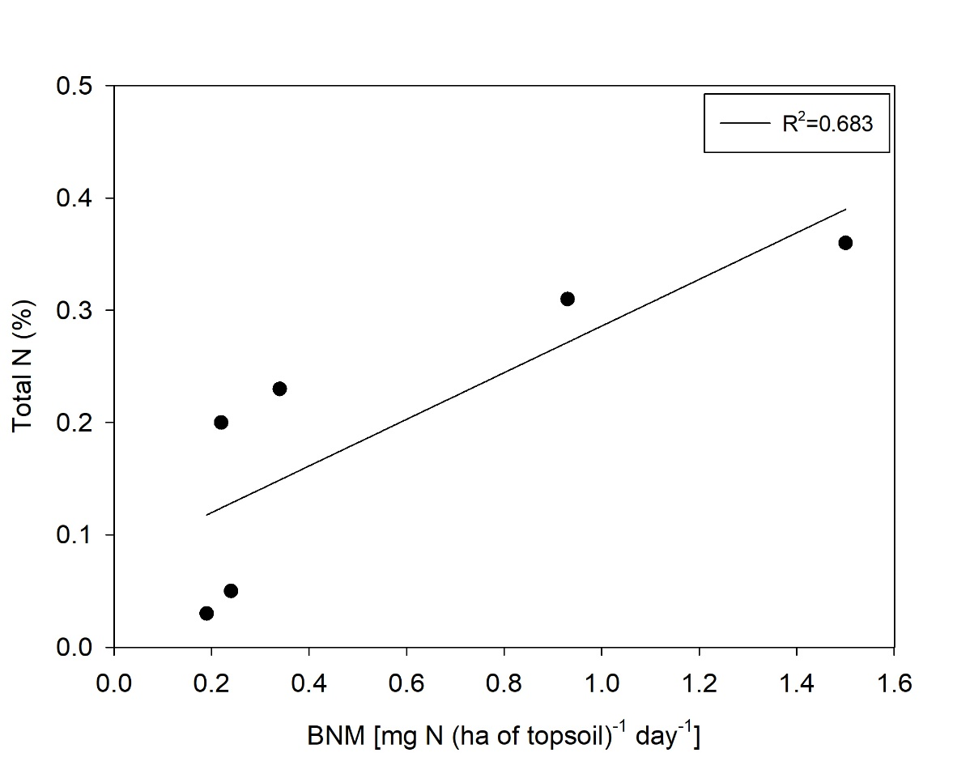
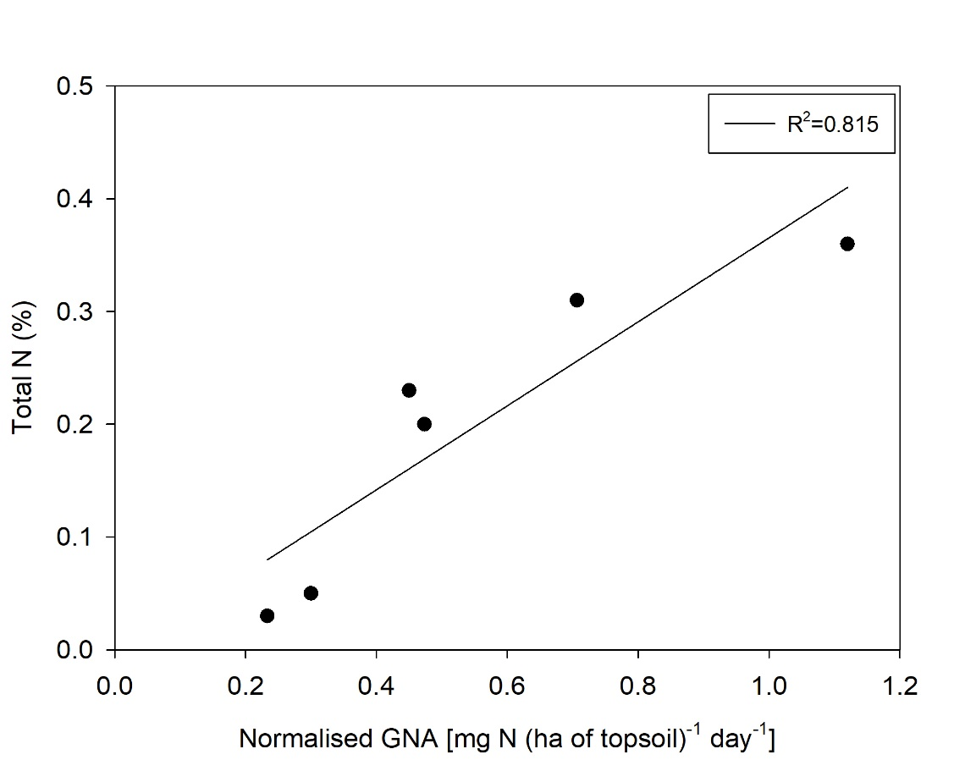
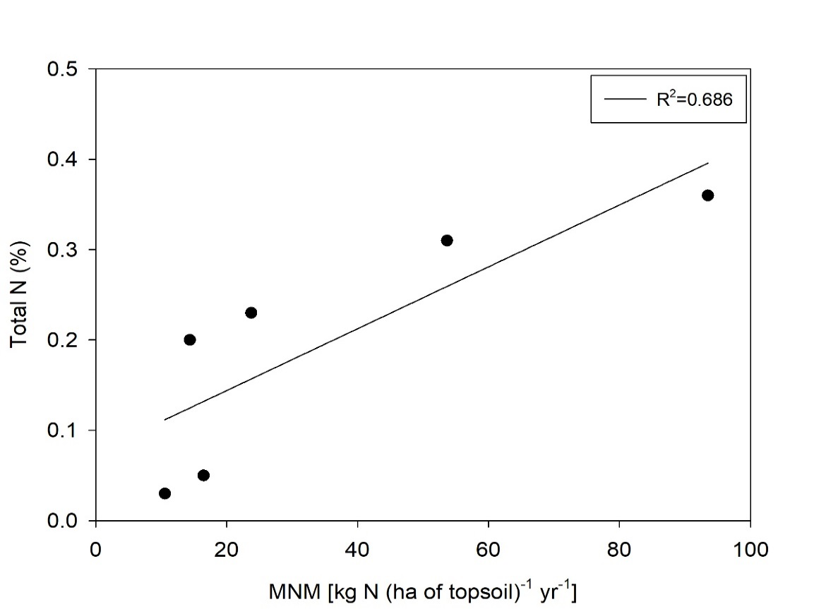

 | Combined Tsitsikamma and Boland regions
 | Fig. 4: Relationship between the normalised gross nitrogen availability (GNA) estimate and bulk density. |  |  |  |  |  | Fig. 5: Relationship between normalised gross nitrogen availability (GNA) estimate and clay content. |  |  | Fig. 6: Relationship between normalised gross nitrogen availability (GNA) estimate and silt content. | Fig. 7: Relationship between normalised gross nitrogen availability (GNA) estimate and sand content.

